MM
 | Consider what some have called the "substance abuse system": some people are abstainers, some casual users, some addicts, some in treatment, and some are in recovery. Suppose that in any given time period 2% of abstainers try drugs and 50% of these become casual users (that is, the transition from abstainer to casual user is about 1%. During the same period, 2% of casual users become addicts and 20% revert to being abstainers. Of all addicts, 10% go into treatment in a given time period and 1% go cold turkey and become abstainers. Treatment takes 4 time periods and so on average 25% move to recovery each time period. Of those in recovery 10% relapse in any given time period. And suppose current definitions were that after 50 months (we would record this as a 2% chance of transition) in recovery one was declared "clean" and recategorized as "ABSTAIN."
1 | Label the states and insert the transition probabilities in the diagram below
2 | Set up the transition matrix
3 | Make a table of the states over time and, allowing all to start out in "ABSTAIN" trace the system out over 100 time periods
4 | Plot the results.
5 | Comment

XXX
XXX

XXX
XXX

LP
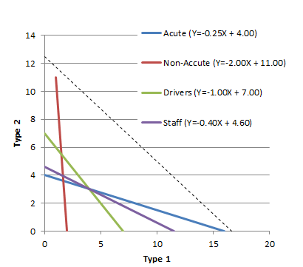
 | A local treatment center has two types of mobile health outreach vans. Type 1 and Type 2. Type 1 has a capacity of 10 acute cases per day and a routine case capacity of 40 patients per day while Type 2 has the can handle 40 acute cases and 20 routine. A needs survey suggests about 3,200 acute cases (160 per day) and 4 400 non-acute cases each month (220 per day). The cost per hour of operation of a Type 1 is $30, and $40 for Type 2. How many trucks of each type should the hospital put on the street to make the best use of available funds? Type 1 require 2 staff and type 2 require 5 staff and we want to limit staff to 23 people. For insurance and training reasons we are limited to 7 drivers.
1 | Identify the variables by changing the "varN" labels below
2 | Identify what the weights in this problem are (what are we optimizing?) and put the appropriate numbers in the grey cells.
3 | Put the formula for the objective function in the blue cell.
4 | Label the constraints (under the word "Constraints" below) and input the correct numbers in the pink cells
5 | Put the correct formulas in the cells in column I
6 | Note whether the constraints are GEQ, etc.
7 | Put the limiting values in column K
8 | Use Solver or graphically identify the solution.

 | Variables | var1 | var2 | var3 | var4 | var5

 | Weights |  |  |  |  |  |  |  | Objective
 | what?

 | Constraints |  |  |  |  |  |  | GT,LT,GEQ, LEQ,EQ?
 |  |  |  |  |  |  | Þ | ??
 |  |  |  |  |  |  | Þ | ??
 |  |  |  |  |  |  | Þ | ??
 |  |  |  |  |  |  | Þ | ??

 | -- | -- | Obj = 500.0 | -- | --
 | 0 | 0 | 0 | 0 | 0
 | 0 | 0 | 0 | 0 | 0
 | Do not change orange cells. Use spinner to adjust value of objective function in violet cell
 |  |  | Slope |  | Y-int | X-int
 | --
 | --
 | --
 | --

 | Objective |  | Slope | 0 | Yint | X-int | 0
 | Obj = 500.0 | 500 | #DIV/0! | 0 | #DIV/0! | #DIV/0! | 0

 |  | +-1 | +/-100

